Black lens
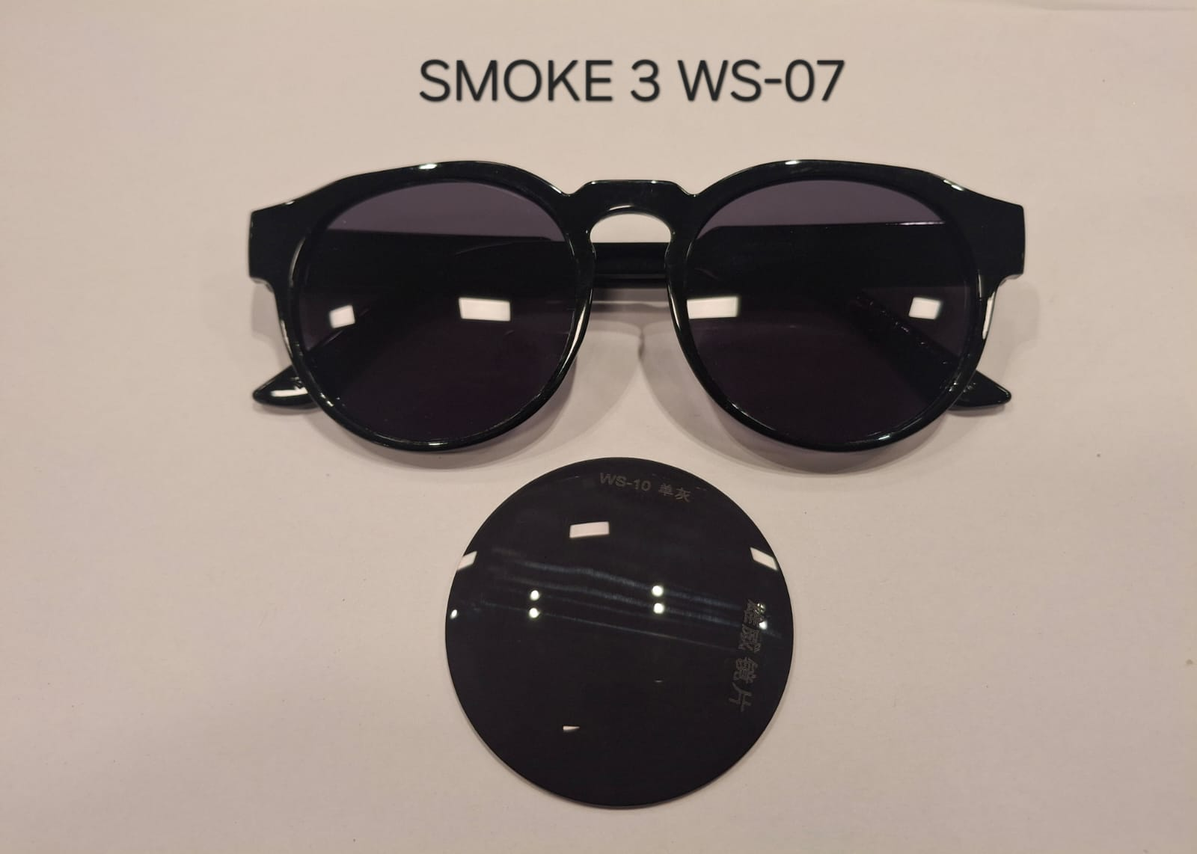
Part # | Description | Lens Colour | Lens Material
6223 BLK | Sunglass, 6223 Black | Black | PC
6223 NAV | Sunglass, 6223 Navy | Black | PC
6223 RED | Sunglass, 6223 Red | Black | PC
6223 ROY | Sunglass, 6223 Royal | Black | PC
6223 WHT | Sunglass, 6223 White | Black | PC
6224 BLUBLK | Sunglass, 6224 2tone BlueBlack | Black | PC
6224 BLUWHT | Sunglass, 6224 2tone Bluewhite | Black | PC
6224 LIMBLK | Sunglass, 6224 2tone limeblack | Black | PC
6224 ORNBLK | Sunglass, 6224 2tone orangeblack | Black | PC
6224 ORNWHT | Sunglass, 6224 2tone orangewhite | Black | PC
6224 REDBLK | Sunglass, 6224 2tone redblack | Black | PC
6224 REDWHT | Sunglass, 6224 2tone redwhite | Black | PC
6224 YELBLK | Sunglass, 6224 2tone yellowblack | Black | PC
6223BRTYEL | Sunglass, 6223, Bright Yellow | Black | PC
6223CBL | Sunglass, 6223, Light Blue | Black | PC
6223GRA | Sunglass, 6223, Gray | Black | PC
6223GRK | Sunglass, 6223, Kelly Green | Black | PC
6223PUR | Sunglass, 6223, Purple | Black | PC
4000 BLK | Sunglass, Black Frame, Black Temple | Black | PC
4000 BLU | Sunglass, Rubberised Blue | Black | PC
4000 BLUBLU | Sunglass, Blue Frame, Blue Temple | Black | PC
4000 GRN | Sunglass, Rubberised Green | Black | PC
4000 GRNGRN | Sunglass, Green Frame, Green Temple | Black | PC
4000 RED | Sunglass, Rubberised Red | Black | PC
4000 REDRED | Sunglass, Red Frame, Red Temple | Black | PC
4000 WHT | Sunglass, Rubberised White | Black | PC
4000 WHTWHT | Sunglass, White Frame, White Temple | Black | PC
4000 GRA | Sunglass Black Frame/Gray Temple | Black | PC
4000 MARMAR | Sunglass Mar Frame/MAR Temple | Black | PC
4000 ORN | Rubberised Sunglasses Orange | Black | PC
4000 ORNORN | Sunglass Orange Frame/ORN Temple | Black | PC
4000 PURPUR | Sunglass PUR Frame/PUR Temple | Black | PC
4000 WHTBLU | Sunglass WHT Frame/BLU Temple | Black | PC
4000 WHTRED | Sunglass WHT Frame/RED Temple | Black | PC
3991NEONBLUBLK | Sunglass Blue Frame/Black Arms | Black | PC
3991NEONORNBLK | Sunglass Orange Frame/Black Arms | Black | PC

Silver lens
Part # | Description | Lens Material | Lens Colour
6207CLRSIL | Sunglass, Clear W/Silver Lenses | PC | Silver

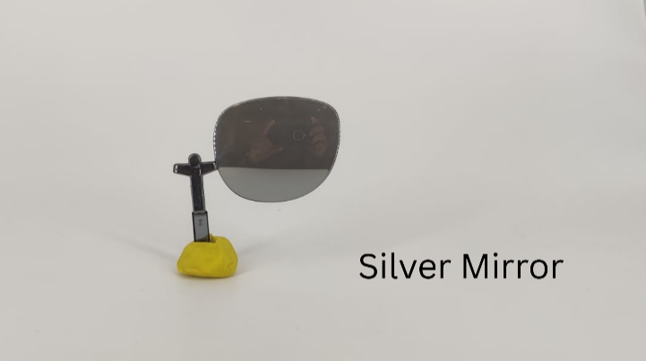
Part # | Description | Lens Material | Lens Colour
6208WHTSIL | Sunglass, WHT W/SIL Mirror lens | PC | Silver

yellow lens
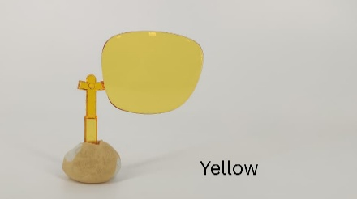
Part # | Description | Lens Material | Lens Colour
6207CLRYEL | Sunglass, Clear W/Yellow Lenses | PC | Yellow

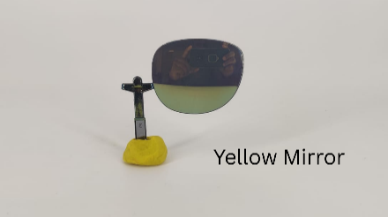
Part # | Description | Lens Material | Lens Colour
6208WHTYEL | Sunglass, WHT W/YEL Mirror lens | PC | Yellow

Red lens
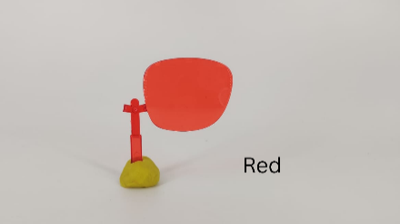
Part # | Description | Lens Material | Lens Colour
6207CLRRED | Sunglass, Clear W/Red Lenses | PC | Red

Orange lens
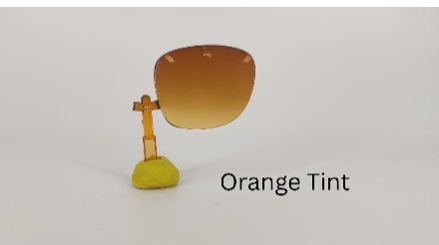
Part # | Description | Lens Material | Lens Colour
4001BLKORN | Glasses, BLKORN W/ORN Tint Lens | PC | Orange

Green lens
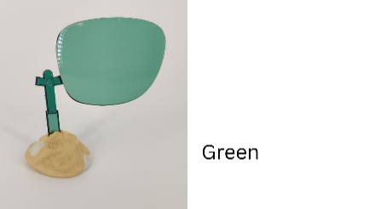
Regular Monotone
Part # | Description | Lens Colour | Lens Material
6207CLRGRN | Sunglass, Clear W/Green Lenses | Green | PC

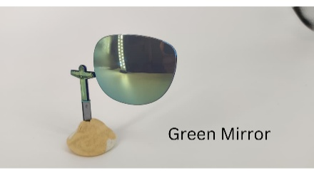
Mirror
Part # | Description | Lens Colour | Lens Material
6208WHTGRN | Sunglass, WHT W/GRN Mirror lens | Green | PC

Blue lens
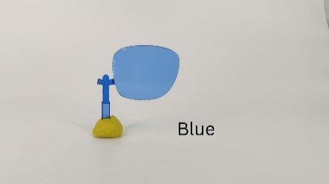
Part # | Description | Lens Colour | Lens Material
6207CLRBLU | Sunglass, Clear W/Blue Lenses | Blue | PC

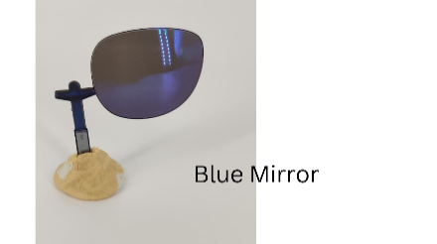
Part # | Description | Lens Colour | Lens Material
6208WHTBLU | Sunglass, WHT W/BLU Mirror lens | Blue | PC

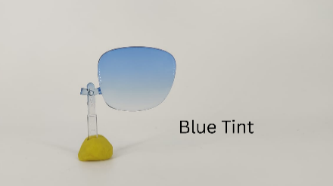
Part # | Description | Lens Colour | Lens Material
4001BLKBLU | Glasses, BLKBLU W/BLU Tint Lens | Blue | PC

